Economist Graphic - The Good Ch
 | André Solomon | André Solomon

 | For this graphic, what do you see first? | For the graphic displayed to the left I am automatically drawn to the brown bar which extremely outmatches the rest of the data quantities.

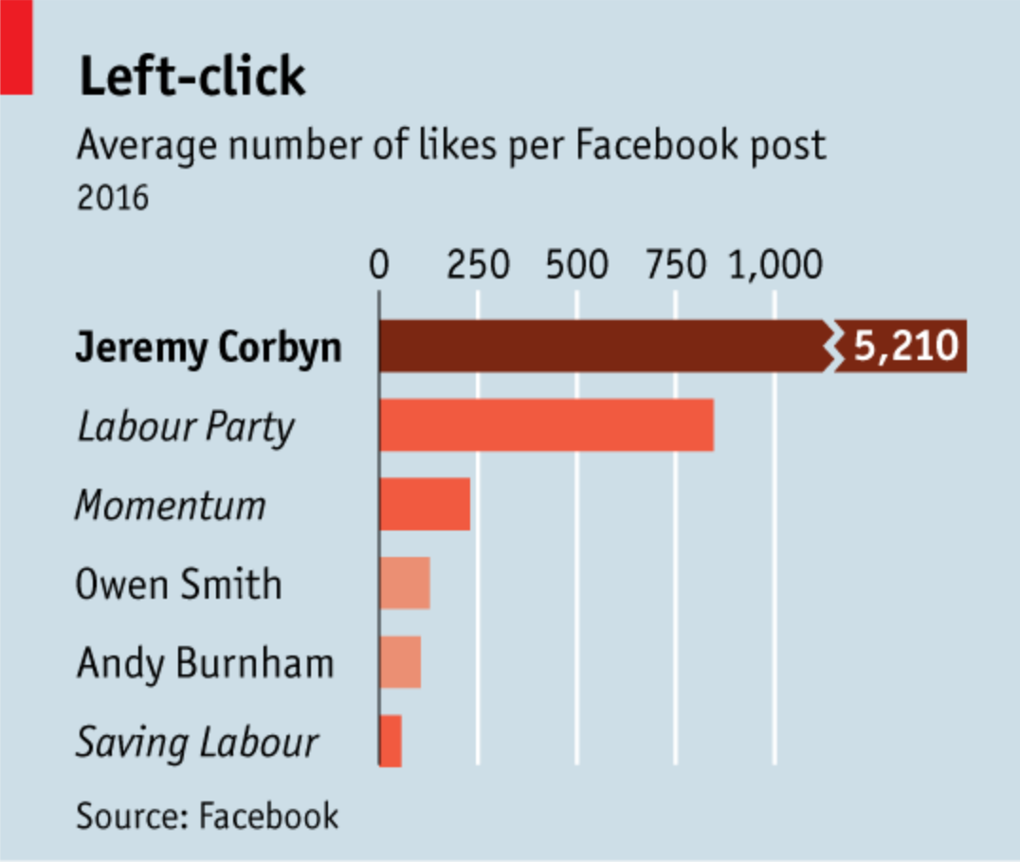 | Make a note of the first idea that forms in your mind and then search for more. | Why did they choose that title?, is my first thought. Thinking mechanically it makes sense, since in order to like a post on facebook you have to left click, but in my personal opinion it does not translate well to me. Because clicking is very mechanical and for most people within the 21st century do this out of habit, one has to think a little bit before understanding (unless it is just me...). I believe saying "right-click" has more weight then. Truthfully, left-click basically means click.
Article: https://www.economist.com/britain/2016/08/13/the-metamorphosis

What I like | What I dislike | What I wish I saw
- At the top the indication of what the quantities represent, which here is the "Average number of likes per facebook post 2016" (Title Description) - Having color choice for Jeremy Corbyn be different than the rest possibly due to the fact he was the highest quantity (but depends since that is kinda ambiguous why the color was selected) - The data shows a source - The names are provided on the right-hand side - Equidistant spacing of the number benchmarks (i.e. 0, 250, 500, etc.) and providing a line to mark them on the graph | - The Title, Left Click: I understand that you left click when you like a post, but the title isn't strong enough because you have to think about that, which then distracts the reader from interpreting the data effectively - The number benchmarks on the top of the graph - The source is not strong enough, would like more specificity than just putting "Facebook" - Color selection (for the bars) since many are the same color or a different shade | - An effective title, one where the reader does not need to think about the concept - A key/legend for the color selection (I personally do not know what brown, salmon, and light pink represent) - More specific source - Quantities for all the data, not just Jeremy Corbyn - A title for the names on the left (mostly for individuals who have not read the article; to provide background information)

What are three things you'd change, and why?
I would change... | because....
1. The title | if the title is not informative enough the reader will not understand the presented data
2. Color Selection | at first glance you have no clue what each color represents. To myself, data seems to be trying to emphasize that Jeremy Corbyn is popular on Facebook. Therefore, giving him a colored bar and having the remaining categories' bars gray would allow for specific differentiation. Since it is rather ambiguous, one would need to identify the original color decisions.
3. Bar Quantities | In this data visualization, only Jeremy Corbyn has a number projected onto the graph while the others are left without quantifiable indicators. Therefore, the reader is unsure of the remaining quantities. Though it is evident that Jeremy Corbyn has the most, a reader might want to know their exact amounts to identify the exact difference, for example between Jeremy Corbyn and Labour Party

References: Berinato, S. (2016). Good charts: The HBR guide to making smarter, more persuasive data visualizations.
“The Metamorphosis.” The Economist, August 13, 2016. https://www.economist.com/britain/2016/08/13/the-metamorphosis.

The Good Charts Matrix
Name of visualization | Design execution (-10 is poor, 10 is excellent) | Contextual awareness (-10 is low, 10 is high)
Economist | -5 | 5
 | The design could have been better. Aesthetically it is somewhat pleasing, but poorly constructed especially lacking important information such as key/legend, color selection rationale, and category description (we had access to both the article, hence without it an individual might not know the difference between a given name or group). | The message gets across, but only if one had access the article and data (we did, but not guaranteed that all individuals will). Ultimately, the visualization displays that Jeremy Corbyn has received the most likes, but lack specificity in regards to not know exactly by how much, unless again you had access to the data. So, ultimately confusing without supporting documents.

Contextual awareness = what am I trying to say, to whom, and where?
Design execution = How well is this chart constructed?

The Good Charts Matrix

Reference: Berinato, S. (2016). Good charts: The HBR guide to making smarter, more persuasive data visualizations.

